Status 03rd&25th Aug
S. No. | Module/Activity | Tasks/ Changes/Enhancements | Status
1 | Sahbhagita | 1. At Approval time, Pagination done on Sahbhagita pages | Done
 |  | 2. RA bill given to ISA (instead of CP Manager) | Done
 |  | 3. FE specific to particular ISA are visible to them | Done
 |  | 4. Password reset option given to ISA | Done
 |  | 5. Village/Combined Wise drop down provided | Done
 |  | 6. Edit option given ISA and can create activity | Done (Close by 25th Aug)
2 | Cube Testing | 1. Cube ID get generated before image upload | Done
 |  | 2. Show rejected data to Contractor | Done
 |  | 3. Re_inspection Loop working | Done
3 | Material Testing | 1. Re_inspection Loop working | Done
3 | SVS Water Supply Monitoring PHE | 1. Removed JJM Id, Village status fields | Done
 |  | 2. According to login specific District, Block and GP should appear | Done
 |  | 3. Daily Water Supply Completed - In No option added one more Reason and correct spelling | Done
 |  | 4. Bilingual conversion for SVS Daily Water supply Page (Hindi English) and Report Column Header ( in Hindi) | Done
 |  | 5. SVS Water Supply Dashboard Completed | Done
 |  | 6. SVS Nirmal created and deployed to UAT | UAT Done
4 | Parinam | 1. FE name shown in reports | Done
 |  | 2. FHTC Samgra Id - more than one survey on same ID | UAT Done
 |  | 3. Dashboard shown to FE and updated in Mobile APK ( under approval from playstore) | Done
5 | Sopan | 1. Add Calendar functionality for Calendar year 2026-27 (on Contractor Login) | Done
6 | Mobile APK | 1. UI issues resolved login logout issues | Done
 |  | 2. Bug Fixes in mobile apk and released new apk | Done

 | [2:43 PM, 8/21/2026] Tapan Sir Jal Rekha MPSeDC: Dera Team,The below Mobile App UI/functional issues have been fixed and are now live in Production:

 | 1 .Logout navigation issue during ongoing survey/inspection has been fixed.
 | 2. Material Testing module is now displayed directly on the Home Screen instead of under Anushravan.
 | 3 .Duplicate Profile icon issue has been fixed; only one Profile icon is now displayed.
 | 4. .Duplicate Logout buttons issue under Anushravan in FE Login has been fixed.
 | 5 .Duplicate Logout buttons issue on the Dashboard in Contractor Login has been fixed.
 | [2:44 PM, 8/21/2026] Tapan Sir Jal Rekha MPSeDC: *New Functionality in FHTC -Parinam Module*Dear Team

 | A new tab named “Parinam Dashboard” shall be added to the HSC Survey screen. This tab will allow the Field Engineer (FE) to view survey summary data based on selected filters and display the result in a tabular report format.
 | [2:44 PM, 8/21/2026] Tapan Sir Jal Rekha MPSeDC: The APK update is available on the Play Store, we will inform you accordingly.

 | Dear Team,
 | A new Addition/Deduction feature has been added to the O&M Bill in the Aakalan module.
 | TL (SQC) and GM (PIU) can now adjust the Net Payable amount with a reason,
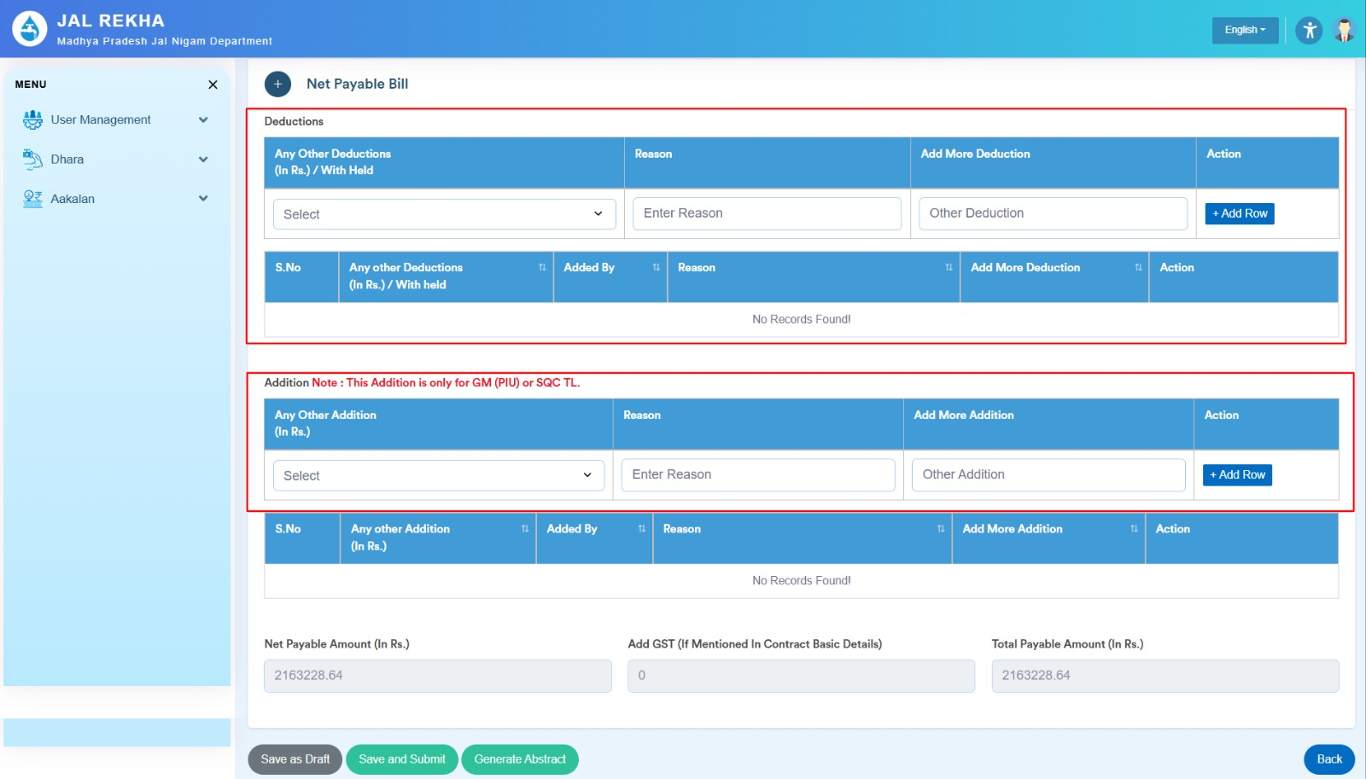
 | if required.
 | Only the officer who is currently reviewing the bill can make the change.

 | All changes will be tracked and will reflect in the Consolidated Abstract.

